Gernal Entry
Genaral Entry

 | Org. | PHS

 | Branch | MN Halli

 | Transaction Type | Cash Depasit, Cash Withdraw,

 | Posting Date |  |  |  | Voucher No. |  |  | 20
 | Rrf. No. | 1235 |  |  | Ref. Date

 | Bank Name | Bank Of Baroda
 | Cash Account | Cash in Hand, Petti Cash

 | Cheque No. | Bank Of Baroda |  | Chq.Date
 | Account | 10000

 | Narration
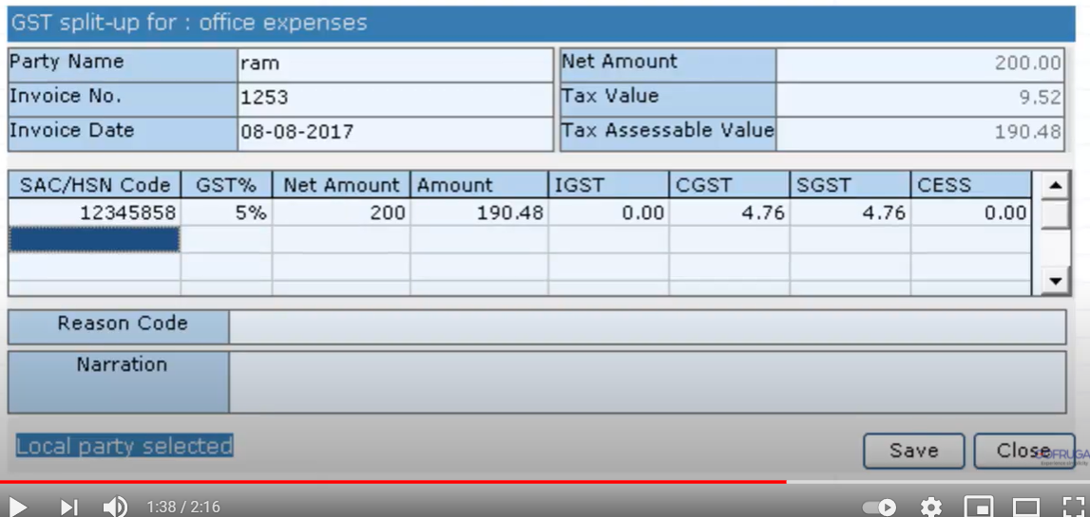

 |  |  | Back |  |  | Next | Cancel

